Sheet1
Country | Team | Player | Tournaments | Highest Placed | Country | Team | Player | Tournaments | Highest Placed | Country | Team | Player | Tournaments | Highest Placed | Country | Team | Player | Tournaments | Highest Placed
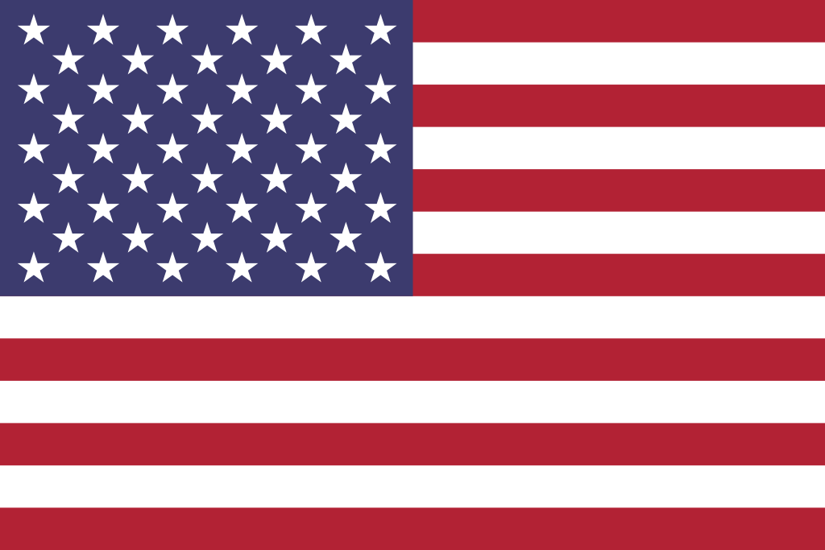 |  | zekken | 2 | 5th - 6th | 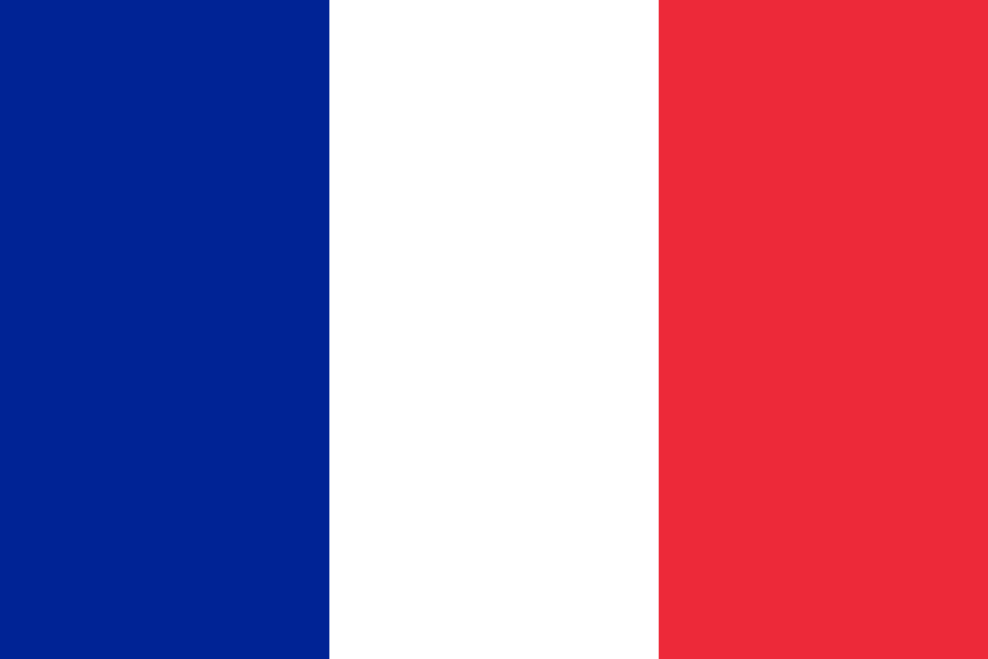 |  | Shin | 1 | 9th - 16th | 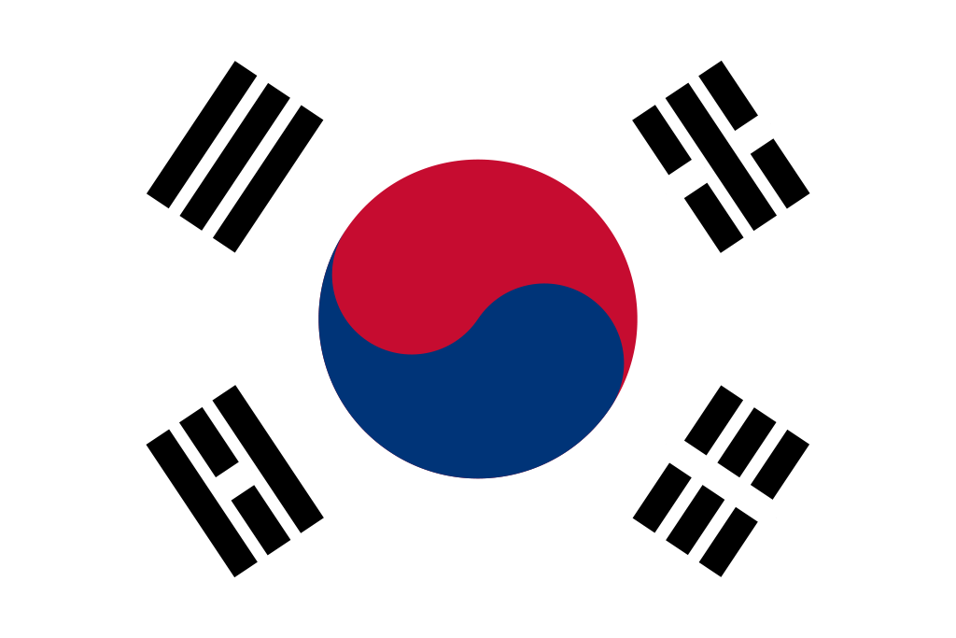 |  | Meteor | 3 | 9th - 10th | 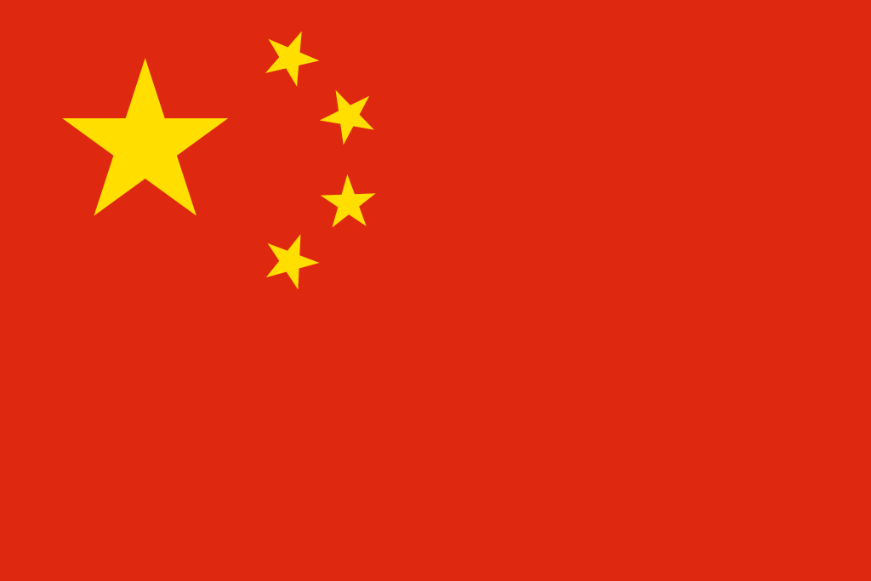 |  | Haodong | 4 | 5th - 6th
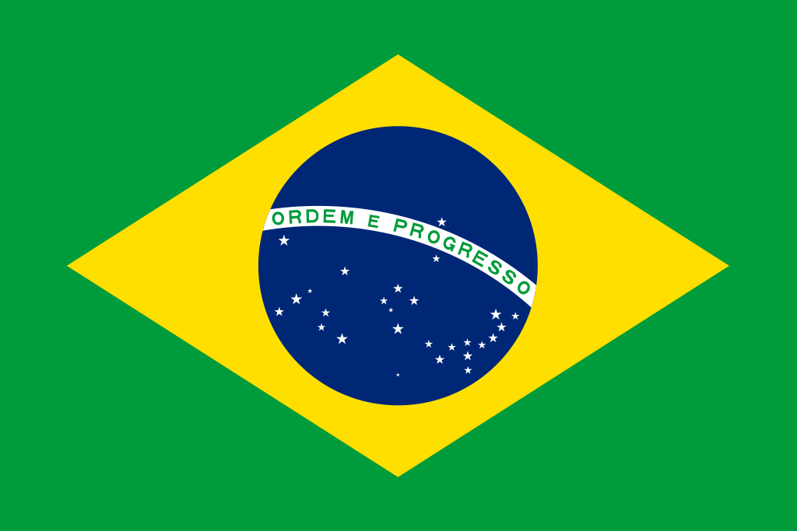 |  | Sacy | 4 | 1st | 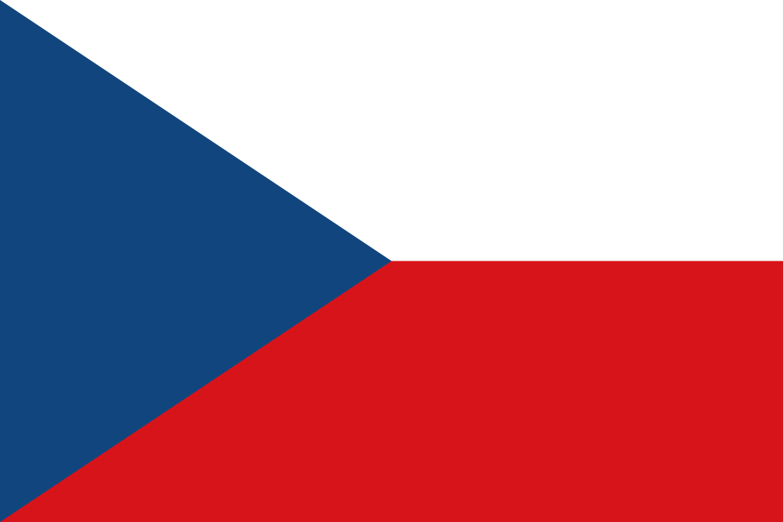 |  | Magnum | 3 | 2nd |  |  | t3xture | 1 | 17th - 32nd |  |  | CHICHOO | 4 | 5th - 6th
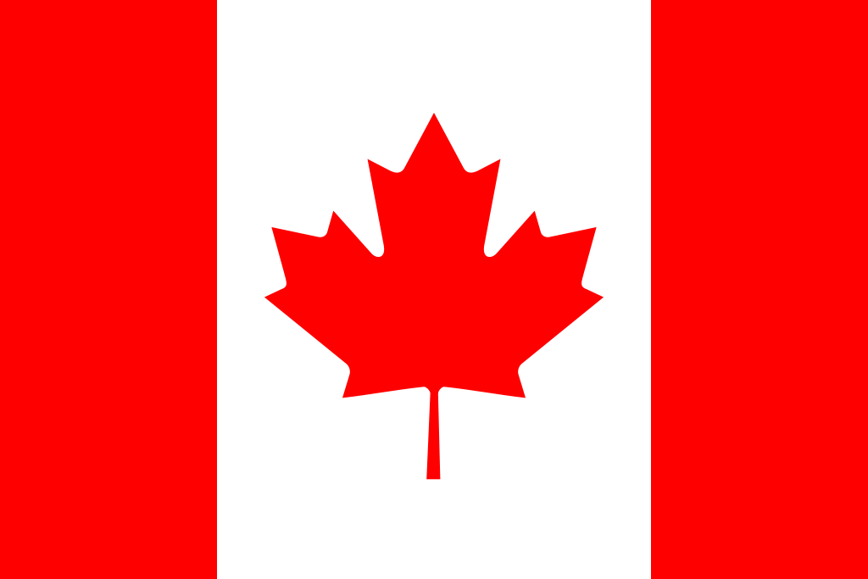 |  | TenZ | 3 | 1st |  |  | marteen | 0 | NaN |  |  | Lakia | 3 | 3rd |  |  | nobody | 4 | 5th - 6th
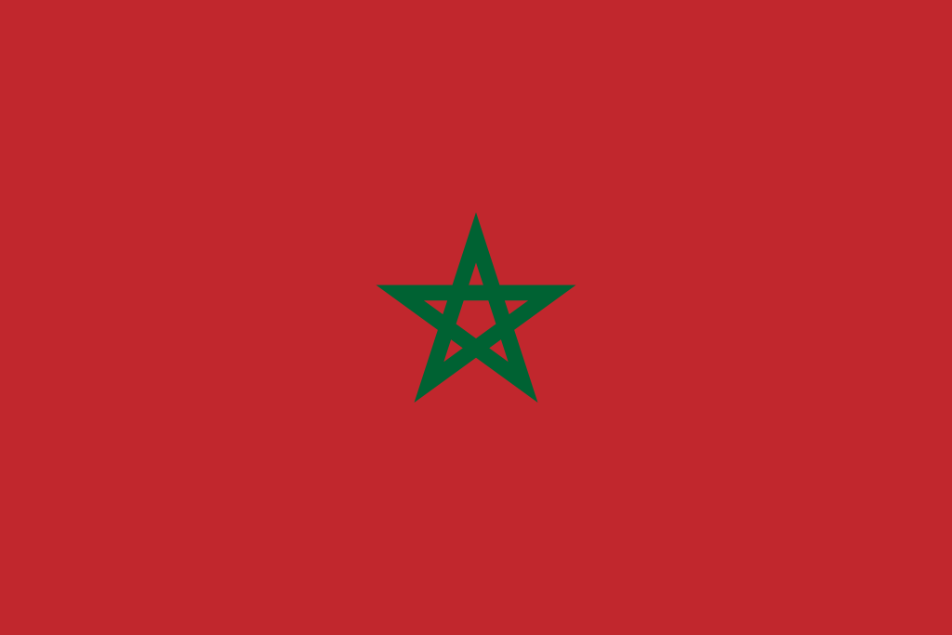 |  | johnqt | 0 | NaN |  |  | N4RRATE | 0 | NaN |  |  | Munchkin | 5 | 9th - 10th |  |  | ZmjjKK | 4 | 5th - 6th
 |  | Zellsis | 2 | 5th - 6th | 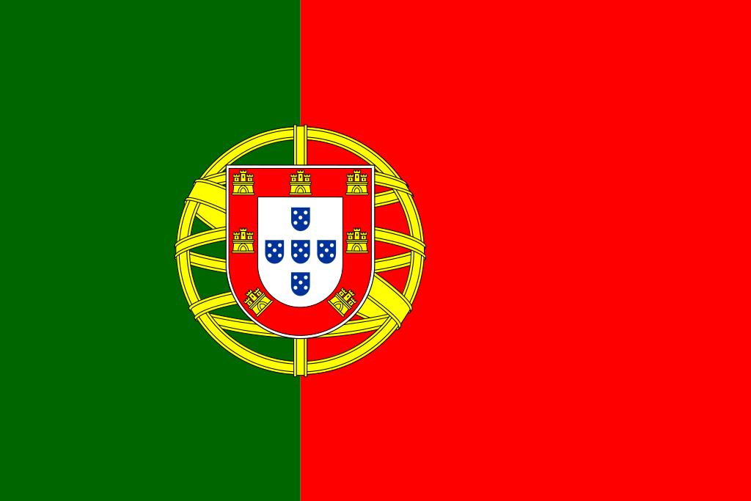 |  | tomaszy | 0 | NaN |  |  | Karon | 0 | NaN |  |  | Smoggy | 4 | 5th - 6th
 | 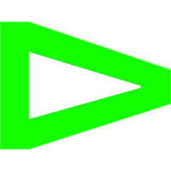 | Less | 6 | 1st |  |  | Boo | 1 | 17th - 32nd |  |  | mindfreak | 4 | 2nd |  |  | AAAAY | 2 | 13th - 16th
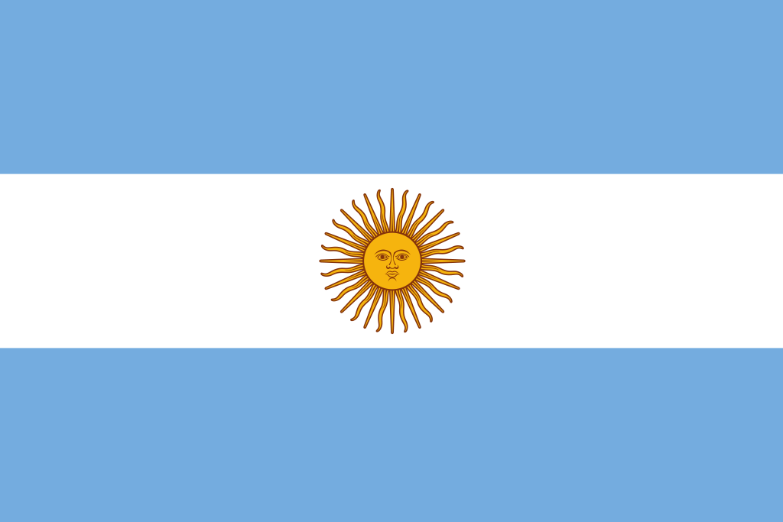 |  | Saadhak | 6 | 1st | 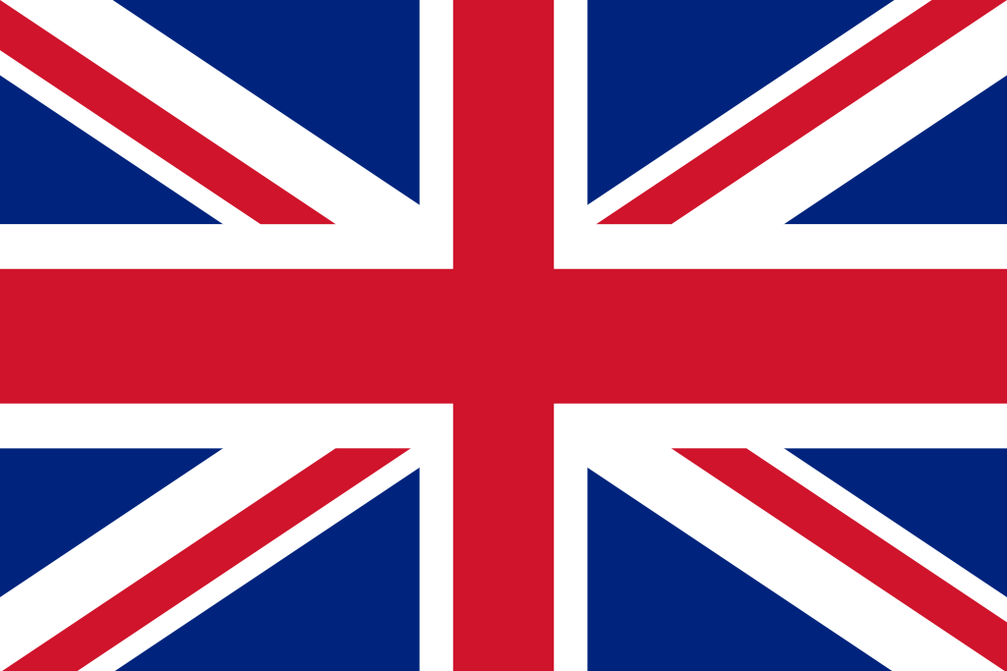 |  | benjyfishy | 0 | NaN |  |  | f0rsakeN | 4 | 2nd | 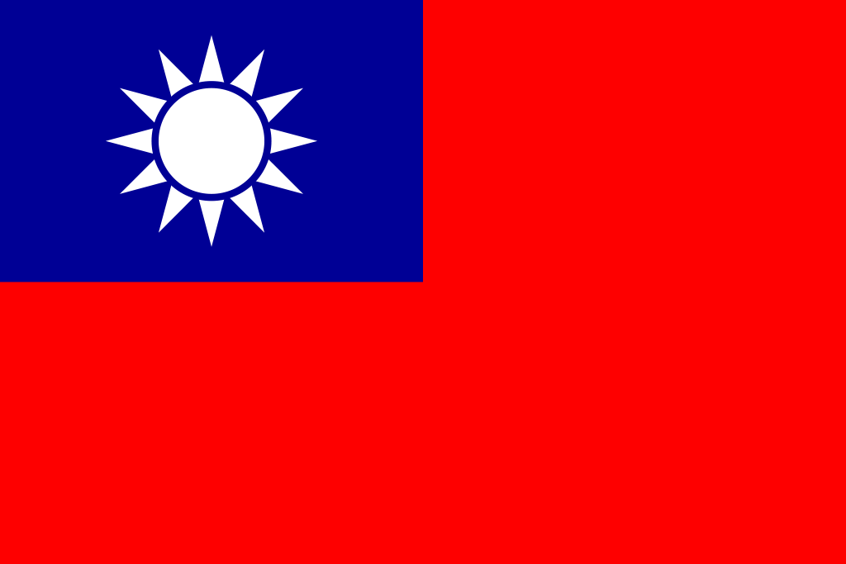 |  | BerLIN | 2 | 13th - 16th
 |  | cauanzin | 4 | 2nd |  |  | MiniBoo | 0 | NaN | 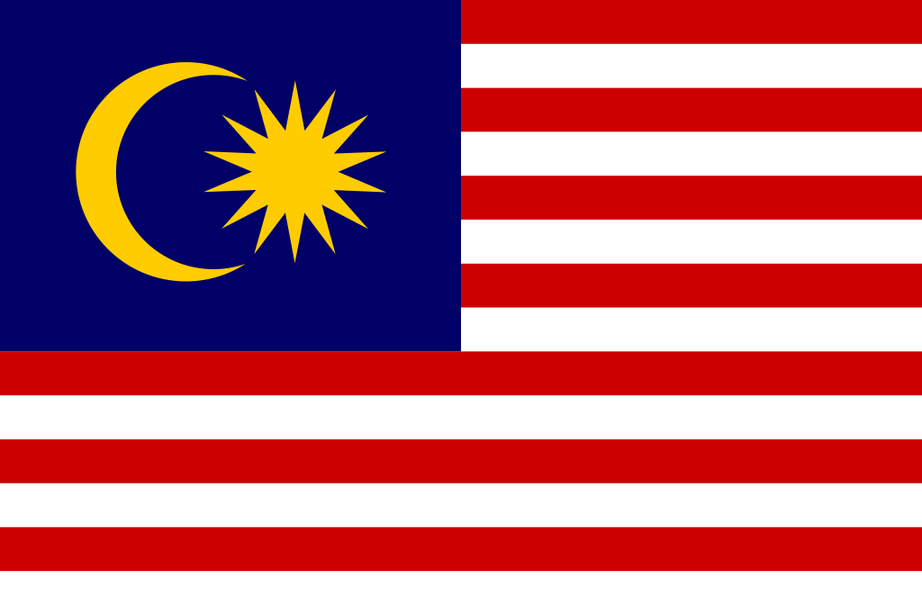 |  | d4v41 | 4 | 2nd |  |  | Lysoar | 1 | 13th - 16th
 |  | tuyz | 4 | 2nd | 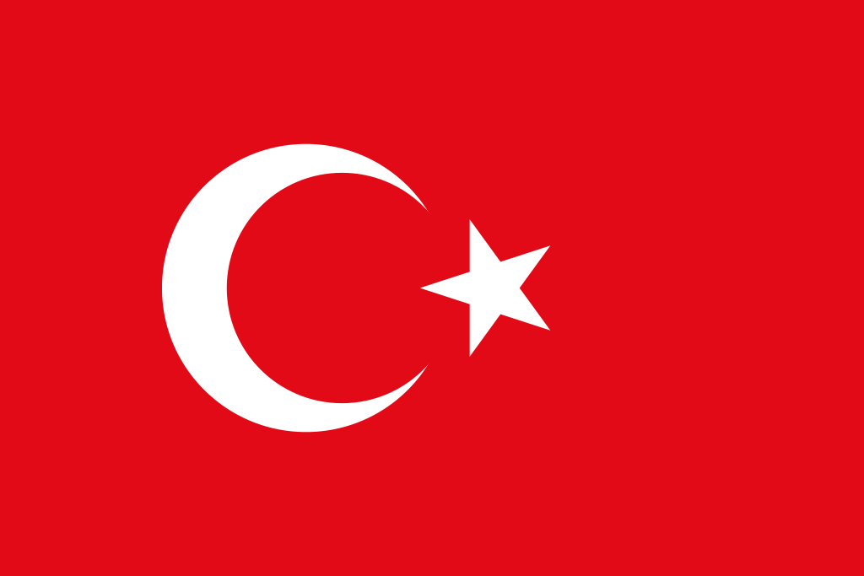 |  | RieNs | 0 | NaN | 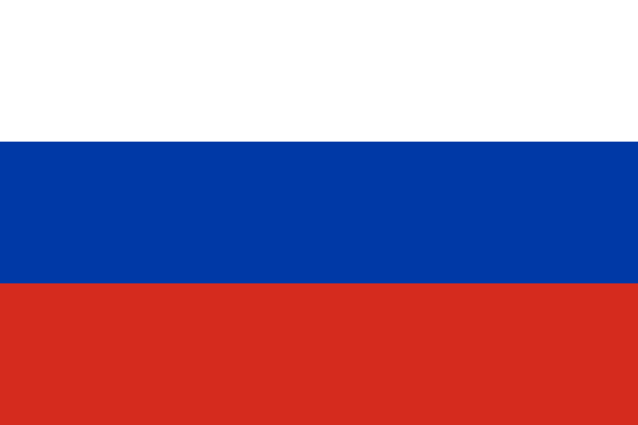 |  | something | 1 | 2nd | 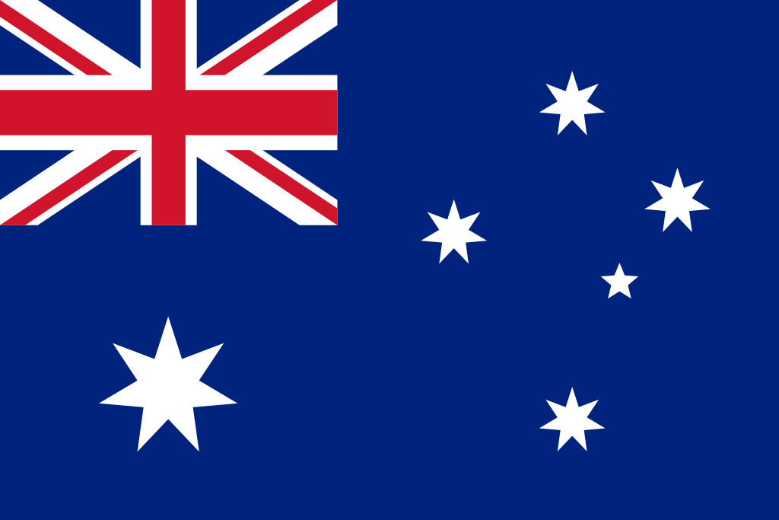 |  | Autumn | 0 (3) | NaN (5th - 8th)
 |  | qck | 3 | 2nd |  |  | paTiTek | 0 | NaN |  |  | Monyet | 1 | 17th - 32nd |  |  | Life | 2 | 11th - 12th
 |  |  | 34 |  |  |  |  | 5 |  |  |  |  | 26 |  |  |  |  | 27

